Notice
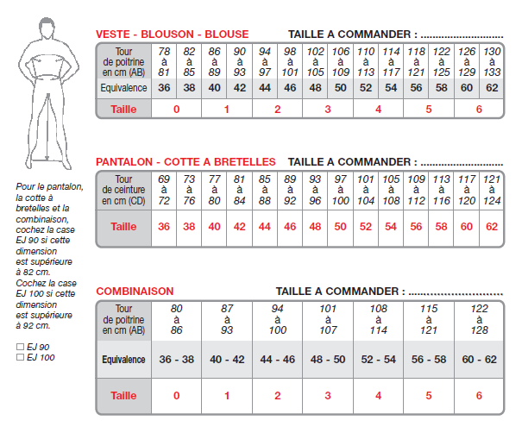
 | LEGENDE :

 | XX | Rupture de stock
Objectif du fichier
- Connaître l'état du stock disponible à la distribution | XX | Stock à réapprovisionner
- Avoir une trace des EPI distribués
- Répercuter les couts pour les autres département (hors AE) | XX | Stock suffisant

Règles de distribution |  | Inventaire
- Le stock des EPI est destiné exclusivement au personnel GE de Belfort
 |  | Approvisionnement

